Team Scorecard
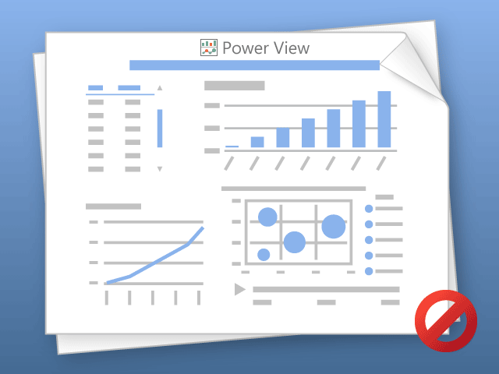

Power View kann nur jeweils ein Blatt gleichzeitig drucken.
Wechseln Sie zum gewünschten Blatt, und wiederholen Sie den Vorgang.

